HeatMap
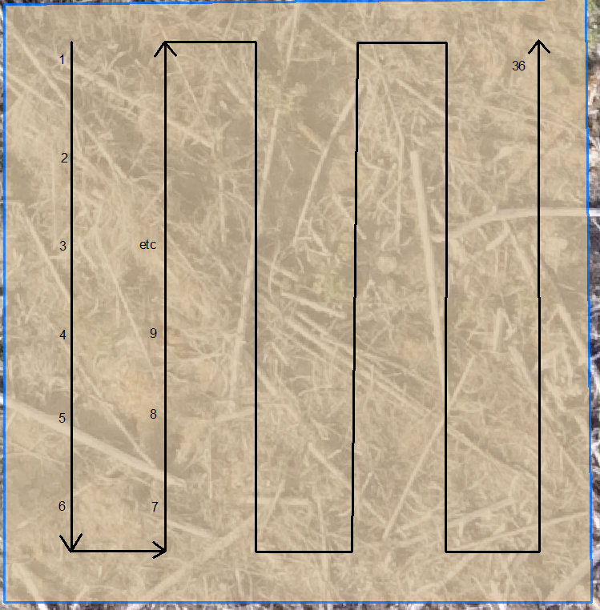
Sx | Sx | Sx | Pli | Pli | Pli | Lw | Lw | Lw | Fdi | Fdi | Fdi | Cw | Cw | Cw
39619 | 8482 | 63594 | 32274 | 13903 | 63705 | 39282 | 35192 | 63578 | 48678 | 8492 | 63540 | 53977 | 48519 | 40106
Local | Near | Far | Local | Near | Far | Local | Near | Far | Local | Near | Far | Local | Near | Far
 |  |  |  |  |  |  |  |  |  |  |  |  |  |  | 2019 Fall Survival Surveys |  |  |  |  |  |  |  |  |  |  |  |  |  |  |  |  |  | 2020 Spring Survival Surveys |  |  |  |  |  |  |  |  |  |  |  |  |  |  |  |  |  | 2020 Fall Survival Surveys
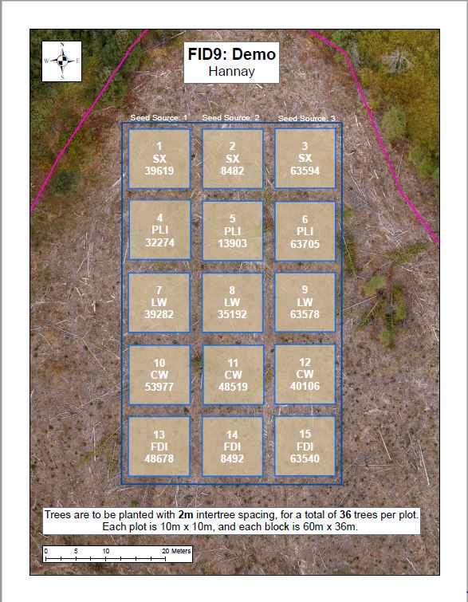
 |  |  |  |  |  |  |  |  |  |  |  |  |  |  | Good | Good | Good | Good | Good | Good | Fair | Good | Fair | Good | Good | Poor | Poor | Good | Good | Good | Fair | Good | Good | Good | Fair | Good | Good | Good | Good | Fair | Fair | Fair | Fair | Fair | Poor | Fair | Fair | Good | Good | Good | Good | Good | Fair | Good | Good | Good | Fair | Fair | Fair | Fair | Good | Fair | Dead | Good | Good | Poor | Good | Good
 |  |  |  |  |  |  |  |  |  |  |  |  |  |  | Good | Good | Good | Good | Good | Good | Good | Good | Fair | Fair | Good | Fair | Good | Good | Good | Good | Good | Good | Fair | Good | Good | Good | Good | Missing | Good | Fair | Fair | Fair | Good | Good | Fair | Poor | Fair | Good | Good | Good | Good | Good | Good | Good | Good | Good | Fair | Fair | Missing | Fair | Fair | Fair | Good | Fair | Good | Good | Good | Fair
 |  |  |  |  |  |  |  |  |  |  |  |  |  |  | Good | Good | Good | Good | Good | Good | Good | Good | Good | Good | Good | Fair | Good | Fair | Good | Good | Good | Good | Good | Good | Good | Good | Good | Missing | Good | Good | Good | Good | Good | Good | Good | Fair | Good | Good | Good | Good | Good | Good | Fair | Fair | Good | Good | Good | Good | Good | Fair | Good | Good | Good | Fair | Good | Fair | Good | Good
 |  |  |  |  |  |  |  |  |  |  |  |  |  |  | Good | Good | Good | Good | Good | Fair | Fair | Good | Good | Good | Good | Good | Good | Good | Good | Good | Good | Good | Good | Good | Good | Good | Good | Good | Poor | Good | Good | Good | Good | Good | Good | Good | Good | Fair | Good | Good | Good | Good | Good | Good | Good | Poor | Fair | Fair | Good | Good | Good | Good | Good | Good | Good | Good | Moribund | Good
 |  |  |  |  |  |  |  |  |  |  |  |  |  |  | Good | Good | Good | Good | Good | Good | Good | Good | Good | Good | Good | Fair | Good | Good | Good | Good | Good | Good | Good | Good | Good | Good | Good | Good | Fair | Good | Good | Good | Good | Fair | Good | Good | Good | Good | Good | Good | Good | Fair | Good | Fair | Good | Good | Fair | Good | Good | Fair | Good | Fair | Good | Good | Good | Fair | Good | Good
 |  |  |  |  |  |  |  |  |  |  |  |  |  |  | Good | Good | Good | Good | Fair | Fair | Good | Good | Fair | Good | Good | Good | Good | Good | Good | Good | Good | Good | Good | Good | Good | Good | Fair | Good | Good | Good | Fair | Fair | Fair | Fair | Fair | Good | Good | Good | Fair | Fair | Good | Good | Good | Good | Fair | Good | Good | Good | Fair | Good | Fair | Good | Fair | Good | Good | Good | Good | Good

 |  |  |  |  |  |  |  |  |  |  |  |  |  |  | Fair | Good | Good | Good | Good | Good | Good | Good | Good | Fair | Good | Good | Good | Good | Good | Good | Good | Good | Fair | Fair | Good | Good | Fair | Good | Fair | Good | Good | Fair | Good | Good | Good | Good | Good | Good | Fair | Fair | Fair | Good | Good | Good | Good | Good | Fair | Good | Fair | Fair | Good | Good | Good | Good | Good | Good | Good | Good
 |  |  |  |  |  |  |  |  |  |  |  |  |  |  | Good | Good | Good | Good | Good | Good | Fair | Good | Fair | Good | Good | Good | Good | Good | Good | Good | Good | Fair | Good | Fair | Good | Good | Good | Good | Poor | Fair | Fair | Fair | Good | Good | Good | Good | Good | Good | Good | Good | Good | Good | Good | Good | Good | Fair | Fair | Good | Fair | Fair | Good | Good | Good | Good | Good | Good | Good | Good
 |  |  |  |  |  |  |  |  |  |  |  |  |  |  | Good | Good | Good | Good | Good | Good | Good | Good | Good | Good | Fair | Good | Good | Good | Poor | Good | Good | Good | Good | Fair | Good | Fair | Good | Good | Fair | Fair | Good | Good | Fair | Good | Good | Good | Poor | Good | Good | Fair | Good | Good | Good | Good | Good | Fair | Fair | Fair | Good | Good | Fair | Good | Good | Good | Good | Good | Good | Dead
 |  |  |  |  |  |  |  |  |  |  |  |  |  |  | Good | Good | Good | Good | Good | Poor | Fair | Fair | Good | Good | Good | Good | Good | Good | Good | Good | Good | Good | Good | Good | Good | Fair | Good | Fair | Fair | Poor | Good | Good | Good | Good | Good | Good | Good | Good | Good | Good | Good | Good | Good | Good | Good | Fair | Fair | Fair | Good | Good | Good | Good | Good | Good | Good | Good | Good | Fair
 |  |  |  |  |  |  |  |  |  |  |  |  |  |  | Fair | Good | Good | Good | Good | Good | Good | Good | Good | Good | Good | Good | Good | Good | Good | Good | Good | Good | Fair | Good | Good | Good | Fair | Good | Good | Fair | Good | Good | Good | Good | Good | Good | Good | Good | Good | Good | Fair | Good | Good | Good | Fair | Good | Fair | Good | Good | Good | Good | Good | Good | Good | Good | Good | Good | Good
 |  |  |  |  |  |  |  |  |  |  |  |  |  |  | Good | Fair | Good | Good | Good | Good | Good | Good | Good | Good | Good | Good | Good | Good | Good | Good | Good | Good | Good | Good | Good | Good | Fair | Good | Fair | Good | Good | Good | Good | Good | Good | Good | Good | Good | Fair | Good | Fair | Fair | Good | Good | Good | Good | Good | Fair | Good | Good | Good | Good | Good | Good | Good | Good | Fair | Good

 |  |  |  |  |  |  |  |  |  |  |  |  |  |  | Good | Fair | Good | Dead | Good | Good | Good | Good | Fair | Good | Fair | Good | Good | Good | Good | Fair | Good | Good | Fair | Fair | Good | Dead | Poor | Poor | Poor | Good | Moribund | Poor | Moribund | Moribund | Fair | Poor | Fair | Fair | Fair | Fair | Poor | Good | Good | Dead | Good | Fair | Fair | Good | Poor | Moribund | Moribund | Dead | Good | Dead | Good | Good | Fair | Good
 |  |  |  |  |  |  |  |  |  |  |  |  |  |  | Poor | Fair | Good | Dead | Fair | Good | Good | Good | Good | Good | Good | Fair | Good | Good | Good | Good | Good | Good | Poor | Poor | Good | Missing | Good | Good | Poor | Good | Poor | Poor | Poor | Good | Fair | Good | Good | Fair | Good | Fair | Good | Poor | Good | Missing | Good | Good | Good | Poor | Fair | Fair | Poor | Good | Fair | Fair | Good | Good | Good | Good
 |  |  |  |  |  |  |  |  |  |  |  |  |  |  | Fair | Good | Good | Fair | Fair | Dead | Dead | Missing | Good | Fair | Good | Fair | Good | Good | Good | Fair | Good | Poor | Fair | Good | Good | Fair | Good | Dead | Missing | missing | Fair | Good | Good | Fair | Fair | Good | Good | Fair | Fair | Poor | Good | Fair | Good | Moribund | Moribund | Dead | Good | Missing | Fair | Good | Good | Fair | Poor | Fair | Fair | Fair | Good | Poor
 |  |  |  |  |  |  |  |  |  |  |  |  |  |  | Good | Good | Good | Missing | Dead | Good | Dead | Good | Good | Fair | Fair | Poor | Fair | Fair | Fair | Good | Good | Fair | Good | Good | Good | Missing | Dead | Good | Dead | Poor | Fair | Poor | Fair | Good | Fair | Poor | Fair | Good | Fair | Good | Fair | Good | Fair | Missing | Dead | Good | Dead | Fair | Fair | Fair | Fair | Fair | Fair | Dead | Good | Good | Good | Dead
 |  |  |  |  |  |  |  |  |  |  |  |  |  |  | Fair | Good | Good | Good | Fair | Good | Good | Good | Good | Good | Fair | Good | Good | Good | Fair | Fair | Poor | Good | Fair | Fair | Good | Fair | Fair | Fair | Good | Good | Fair | Fair | Poor | Moribund | Good | Good | Good | Good | Fair | Fair | Good | Good | Good | Dead | Fair | Moribund | Fair | Good | Good | Fair | Fair | Dead | Good | Fair | Good | Poor | Fair | Fair
 |  |  |  |  |  |  |  |  |  |  |  |  |  |  | Good | Poor | Good | Good | Good | Good | Good | Dead | Good | Fair | Fair | Good | Fair | Fair | Good | Good | Fair | Fair | Fair | Fair | Good | Good | Fair | Good | Missing | Fair | Poor | Poor | Poor | Poor | Fair | Good | Fair | Good | Good | Fair | Good | Fair | Good | Fair | Good | Good | Missing | Missing | Poor | Poor | Fair | Fair | Fair | Good | Good | Good | Good | Moribund

 |  |  |  |  |  |  |  |  |  |  |  |  |  |  | Good | Good | Good | Fair | Fair | Good | Fair | Good | Good | Good | Good | Good | Good | Good | Good | Fair | Good | Good | Fair | Poor | Poor | Poor | Poor | Poor | Poor | Fair | Poor | Fair | Fair | Fair | Fair | Good | Fair | Fair | Fair | Poor | Fair | Fair | Good | Fair | Fair | Good | Fair | Fair | Poor | Fair | Fair | Good | Fair | Good | Fair | Fair | Poor | Poor
 |  |  |  |  |  |  |  |  |  |  |  |  |  |  | Fair | Good | Good | Good | Fair | Good | Fair | Fair | Good | Fair | Good | Good | Good | Poor | Poor | Good | Good | Good | Fair | Fair | Poor | Fair | Fair | Poor | Fair | Poor | Fair | Poor | Fair | Fair | Fair | Fair | Poor | Fair | Fair | Fair | Good | Good | Fair | Good | Good | Fair | Fair | Moribund | Fair | Moribund | Good | Good | Fair | Good | Poor | Fair | Good | Moribund
 |  |  |  |  |  |  |  |  |  |  |  |  |  |  | Good | Good | Good | Good | Good | Good | Poor | Good | Good | Good | Good | Good | Good | Fair | Fair | Poor | Fair | Good | Fair | Poor | Poor | Moribund | Fair | Poor | Fair | Poor | Fair | Moribund | Poor | Fair | Fair | Fair | Fair | Poor | Good | Poor | Fair | Good | Fair | Poor | Good | Fair | Fair | Poor | Fair | Dead | Fair | Good | Good | Good | Fair | Poor | Fair | Poor
 |  |  |  |  |  |  |  |  |  |  |  |  |  |  | Good | Good | Good | Good | Good | Fair | Fair | Fair | Good | Good | Good | Good | Fair | Fair | Fair | Fair | Good | Fair | Poor | Fair | Poor | Fair | Fair | Fair | Poor | Moribund | Poor | Poor | Fair | Fair | Poor | Good | Good | Fair | Fair | Poor | Poor | Fair | Fair | Good | Fair | Good | Fair | Moribund | Dead | Poor | Fair | Good | Poor | Good | Good | Poor | Fair | Fair
 |  |  |  |  |  |  |  |  |  |  |  |  |  |  | Good | Good | Missing | Poor | Fair | Good | Good | Poor | Fair | Fair | Good | Good | Good | Poor | Fair | Poor | Fair | Fair | Fair | Good | Fair | Good | Good | Poor | Poor | Poor | Poor | Fair | Fair | Poor | Good | Poor | Fair | Moribund | Fair | Poor | Good | Good | Good | Good | Good | Good | Fair | Fair | Poor | Poor | Fair | Fair | Good | Fair | Good | Poor | Poor | Poor
 |  |  |  |  |  |  |  |  |  |  |  |  |  |  | Good | Fair | Good | Good | Poor | Good | Fair | Fair | Good | Good | Good | Good | Fair | Fair | Fair | Fair | Fair | Fair | Poor | Moribund | Fair | Fair | Fair | Good | Poor | Poor | Poor | Poor | Poor | Fair | Fair | Fair | Fair | Fair | Fair | Fair | Dead | Poor | Fair | Good | Poor | Good | Poor | Poor | Poor | Fair | Fair | Fair | Good | Fair | Fair | Fair | Fair | Poor

 |  |  |  |  |  |  |  |  |  |  |  |  |  |  | Fair | Poor | Fair | Fair | Fair | Fair | Fair | Good | Good | Fair | Good | Good | Poor | Poor | Fair | Poor | Fair | Fair | Fair | Poor | Good | Poor | Good | Fair | Fair | Good | Good | Good | Poor | Good | Fair | Fair | Fair | Fair | Poor | Poor | Good | Moribund | Good | Dead | Good | Fair | Poor | Good | Good | Dead | Poor | Good | Poor | Poor | Fair | Fair | Dead | Dead
 |  |  |  |  |  |  |  |  |  |  |  |  |  |  | Fair | Poor | Good | Fair | Good | Fair | Fair | Fair | Fair | Fair | Good | Fair | Fair | Poor | Fair | Poor | Fair | Fair | Poor | Fair | Good | Fair | Good | Fair | Fair | Fair | Fair | Fair | Fair | Good | Poor | Poor | Fair | Poor | Poor | Poor | Fair | Fair | Good | Good | Fair | Fair | Fair | Fair | Poor | Fair | Fair | Good | Poor | Poor | Good | Poor | Poor | Moribund
 |  |  |  |  |  |  |  |  |  |  |  |  |  |  | Fair | Fair | Good | Good | Poor | Poor | Fair | Fair | Fair | Good | Poor | Fair | Fair | Poor | Fair | Poor | Poor | Good | Fair | Fair | Fair | Fair | Fair | Fair | Fair | Fair | Poor | Good | Poor | Good | Fair | Poor | Poor | Poor | Poor | Good | Good | Fair | Dead | Good | Poor | Fair | Fair | Fair | Poor | Good | Poor | Fair | Fair | Poor | Fair | Poor | Poor | Fair
 |  |  |  |  |  |  |  |  |  |  |  |  |  |  | Poor | Fair | Good | Fair | Fair | Fair | Fair | Good | Good | Good | Fair | Fair | Poor | Fair | Poor | Fair | Poor | Fair | Fair | Good | Fair | Fair | Poor | Good | Fair | Fair | Good | Good | Good | Fair | Poor | Poor | Poor | Fair | Fair | Poor | Good | Fair | Good | Fair | Fair | Good | Good | Fair | Good | Good | Good | Fair | Poor | Poor | Fair | Poor | Fair | Poor
 |  |  |  |  |  |  |  |  |  |  |  |  |  |  | Good | Poor | Good | Fair | Fair | Fair | Good | Good | Good | Good | Good | Poor | Poor | Fair | Fair | Fair | Fair | Poor | Good | Fair | Good | Fair | Fair | Fair | Good | Good | Good | Poor | Good | Poor | Fair | Fair | Poor | Fair | Poor | Poor | Good | Fair | Good | Good | Good | Fair | Good | Fair | Fair | Dead | Fair | Moribund | Fair | Poor | Poor | Fair | Moribund | Poor
 |  |  |  |  |  |  |  |  |  |  |  |  |  |  | Poor | Fair | Fair | Fair | Poor | Fair | Good | Fair | Poor | Fair | Fair | Fair | Good | Fair | Fair | Fair | Fair | Poor | Fair | Good | Poor | Fair | Poor | Fair | Good | Fair | Poor | Good | Poor | Fair | Fair | Fair | Poor | Poor | Poor | Poor | Fair | Fair | Poor | Good | Poor | Fair | Fair | Fair | Poor | Fair | Dead | Dead | Poor | Fair | Fair | Dead | Poor | Poor

Height Stats
 | Sx | Sx | Sx | Pli | Pli | Pli | Lw | Lw | Lw | Fdi | Fdi | Fdi | Cw | Cw | Cw
 | 39619 | 8482 | 63594 | 32274 | 13903 | 63705 | 39282 | 35192 | 63578 | 48678 | 8492 | 63540 | 53977 | 48519 | 40106
Average Height (cm) | 37.9 | 34.9 | 43.3 | 42.4 | 42.8 | 50.0 | 39.2 | 37.4 | 38.8 | 22.7 | 26.3 | 14.5 | 34.7 | 33.8 | 26.3
Min Height | 20.0 | 21.0 | 25.0 | 29.0 | 26.0 | 29.0 | 9.0 | 24.0 | 18.0 | 12.0 | 10.0 | 9.0 | 21.0 | 14.0 | 17.0
Max Height | 55.0 | 50.0 | 62.0 | 70.0 | 64.0 | 67.0 | 66.0 | 59.0 | 60.0 | 42.0 | 45.0 | 22.0 | 47.0 | 56.0 | 45.0
Average Diameter (mm) | 6.3 | 5.8 | 7.3 | 9.5 | 8.6 | 10.3 | 6.5 | 7.1 | 7.0 | 6.2 | 6.8 | 4.0 | 5.4 | 5.9 | 4.8
Min Diameter | 3.5 | 3.5 | 4.0 | 6.0 | 5.0 | 7.0 | 2.0 | 4.0 | 3.0 | 3.0 | 2.0 | 2.0 | 3.0 | 3.5 | 3.0
Max Diameter | 9.0 | 8.0 | 11.0 | 13.0 | 12.0 | 14.0 | 10.0 | 11.0 | 10.0 | 10.0 | 12.0 | 7.0 | 14.0 | 10.0 | 7.0
Average Leader Length (cm) | 12.6 | 9.6 | 12.1 | 17.8 | 15.6 | 20.8 | 14.6 | 15.9 | 16.0 | 6.5 | 7.4 | 3.6 | 10.2 | 15.6 | 10.6
Min Leader Length | 1.0 | 3.0 | 4.0 | 7.0 | 7.0 | 10.0 | 2.0 | 5.0 | 3.0 | 3.0 | 1.0 | 0.0 | 0.0 | 2.0 | 3.0
Max Leader Length | 22.0 | 19.0 | 25.0 | 37.0 | 29.0 | 34.0 | 30.0 | 28.0 | 27.0 | 16.0 | 19.0 | 8.0 | 16.0 | 29.0 | 20.0

